Example Background
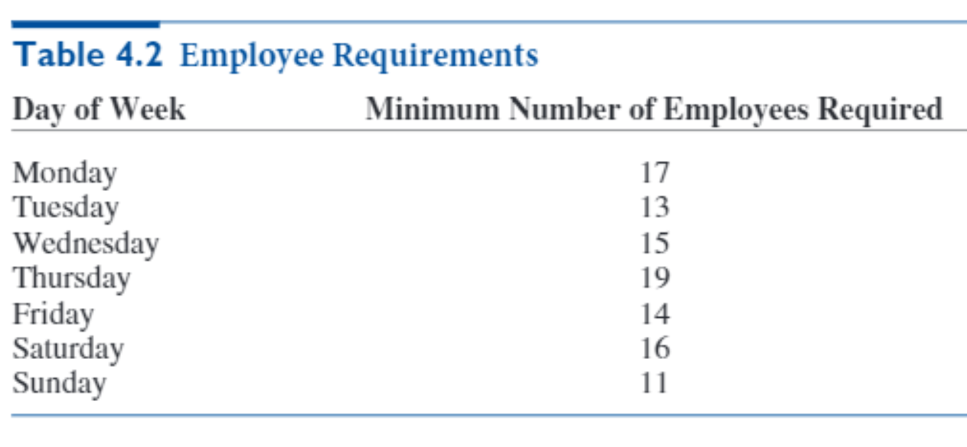
A small business requires different numbers of full-time employees on different days of
the week. The number of full-time employees required each day is given in Table 4.2.
Company policy states that each full-time employee must work five consecutive days and
then receive two days off. For example, an employee who works Monday to Friday must be
off Saturday and Sunday. The company wants to meet its daily requirements using only full-
time employees. Its objective is to minimize the number of full-time employees on its payroll.

Big Picture
Employee Scheduling

Employees starting 5-day shift
Minimize total employees

Employees from each shift available
Total employees available
Employees required
>=

